main page
Main page-Closed economy | See results with current data |  |  | Shocks |  |  |  |  |  |  |  | Stabilization Policy

 |  |  |  | Deterministic but unexpected shocks |  |  |  |  |  |  |  | Monetary

In period 10 there is a change in inflation target
 | 2
 |  |  |  | Supply shock in t=5 |  |  | Demand shock in t=5 |  |  |  |  | Inflation target
 |  |  |  | Size | 3.00 | % | Size |  |  | % |  | Initial inflation target |  |  | 2.00 | %
 |  |  |  | Permanence | 3 |  | Permanence |  | 2
 |  |  |  | Inflationary shock in t=5 |  |  | Change of commercial banks' risk premium in t=5 |  |  |  |  | Type the new target |  |  |  | %
 |  |  |  | Size |  | % | Size of risk premium |  |  | % |  | Central bank's preferences

 |  |  |  |  |  |  |  |  |  |  |  | Preference for inflation stabilization vs income stabilization |  |  | 1
 |  |  |  | Random shocks every three periods
 | Save results with current data to compare different scenarios
 |  |  |  | Shock occurence |  |  |  | Size |  | %

 |  |  |  |  |  |  |  |  |  |  |  | Public expenditure |  |  |  |  | -3
 |  |  |  |  |  |  |  |  |  |  |  |  |  |  |  |  | 0
 |  |  |  |  |  |  |  |  |  |  |  | Size of the increase (+)/decrease (-) in public expenditure |  |  |  | %
 |  |  |  | Parameters
 |  |  |  | Stabilizing real interest rate |  |  |  |  | 4 | % |  | Period when the fiscal change is implemented |  |  | 5
 | Reset to a no-shocks, no-policy, baseline parameter values scenario |  |  | Sensitivity of inflation wrt output gap |  |  |  |  | 1
 |  |  |  |  |  |  |  |  |  |  |  | Permanence |  |  | temporary | 2
 |  |  |  | Sensitivity of expenditure wrt interest rate |  |  |  |  | 2

 |  |  |  | Degree of inflation inertia/credibility of central bank |  |  |  |  | 1 |  | Public finance

 | Apply your own monetary policy |  |  |  |  |  |  |  |  |  |  | Tax rate (initial tax revenues/GDP) |  |  | 20.00 | %
 |  |  |  |  |  |  |  |  |  |  |  | Initial public expenditures/GDP |  |  | 20.00 | %
 |  |  |  | Long run growth |  |  |  |  |  |  |  | Initial public debt/GDP |  |  | 0.00 | %
 | 1 | 1 |  | Long-run economic growth
 |  |  |  | Growth rate |  |  |  |  |  | % |  |  | 0

 |  |  | Hysteresis
 | 1
 |  |  |  | Show the effect of a change in inflation target or a demand shock when there is hysteresis

 |  |  |  |  |  |  |  |  |  |  |  |  | 2
 |  |  |  |  |  |  |  |  |  |  |  |  | 0 | 0
 |  |  |  |  |  |  |  |  |  |  |  |  | 0 | 2

 |  |  |  | 2

 |  |  |  | 4
 |  |  |  |  | 1

exchange rates
Real exchange rate
1 | 0.00
2 | 0.00
3 | 0.00
4 | 0.00
5 | 0.00
6 | 0.00
7 | 0.00
8 | 0.00
9 | 0.00
10 | 0.00
11 | 0.00
12 | 0.00
13 | 0.00
14 | 0.00
15 | 0.00
16 | 0.00
17 | 0.00
18 | 0.00
19 | 0.00
20 | 0.00
Nominal exchange rate
1 | 0.000
2 | 0.000
3 | 0.000
4 | 0.000
5 | 0.000
6 | 0.000
7 | 0.000
8 | 0.000
9 | 0.000
10 | 0.000
11 | 0.000
12 | 0.000
13 | 0.000
14 | 0.000
15 | 0.000
16 | 0.000
17 | 0.000
18 | 0.000
19 | 0.000
20 | 0.000

Your input data in "main page"
Main page-Closed economy

Trade balance/GDP
 | trade balance/GDP
 | 1
Current account/GDP
 | current account/GDP
 | 1
Supply shock in t=5 | yes
Demand shock in t=5 | no
Random supply shocks everytime | no
Random demand shocks everytime | no
Change in inflation target in t=10 | no
Stabilization fiscal measure | no

 | NIIP/GDP
 | 1

gráficos PC, MR, IS
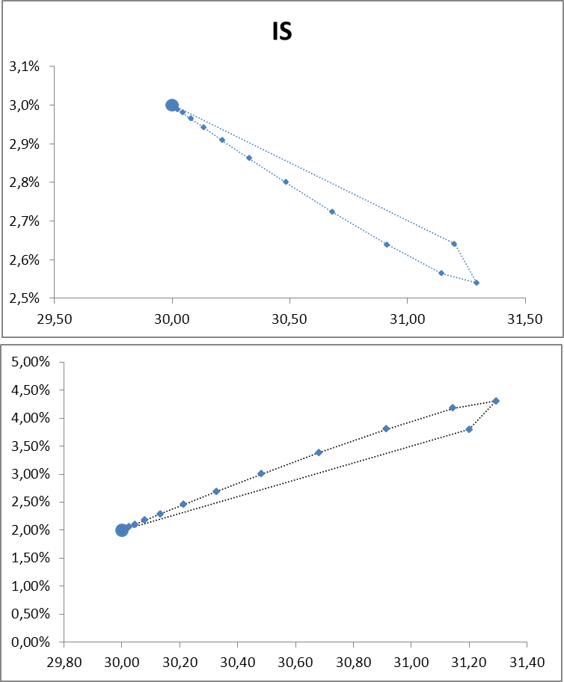
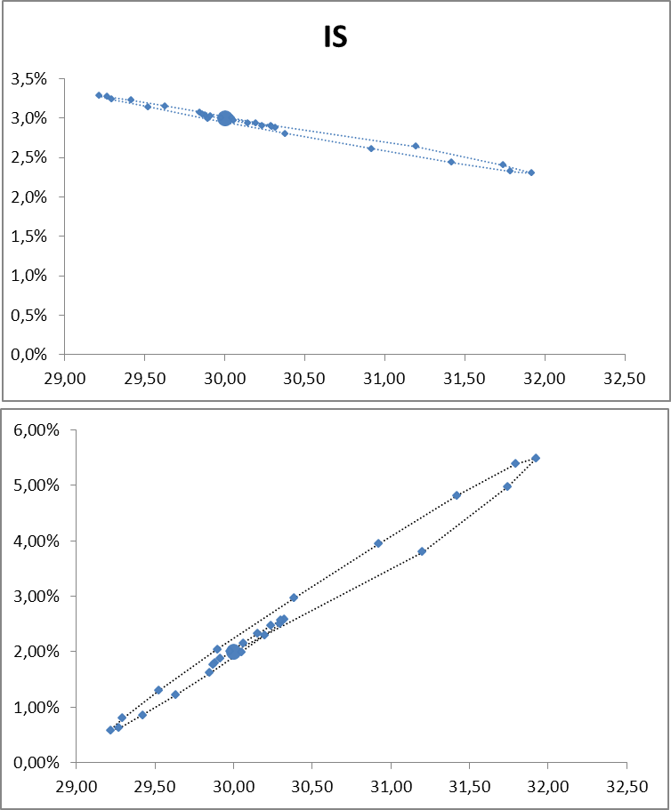
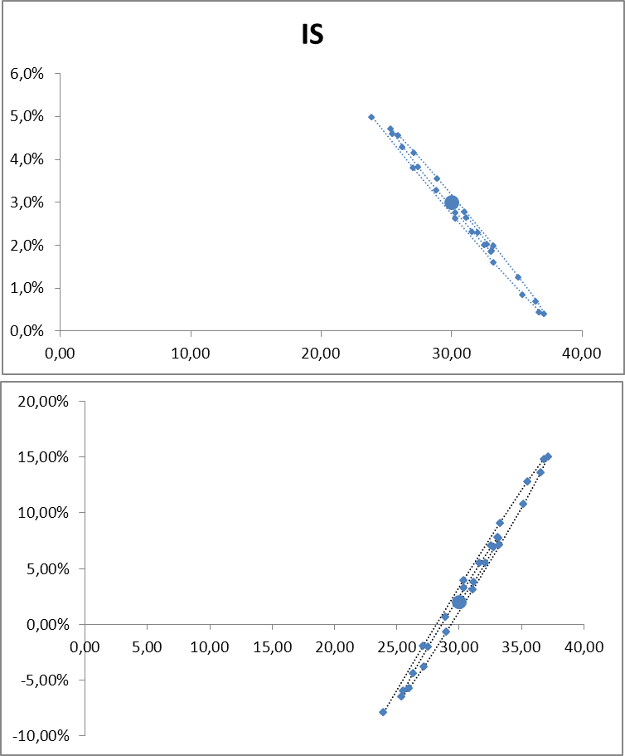

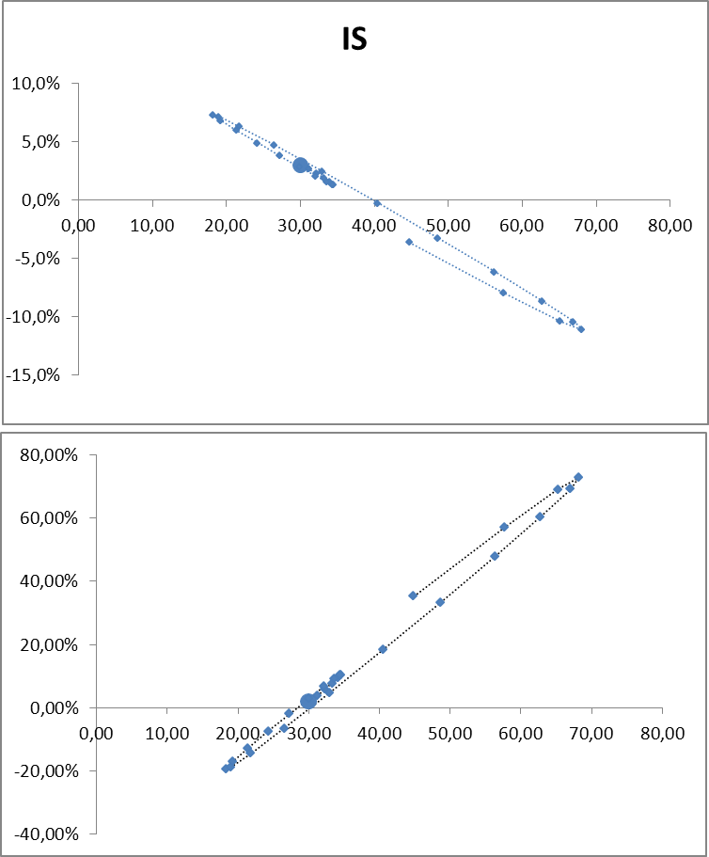
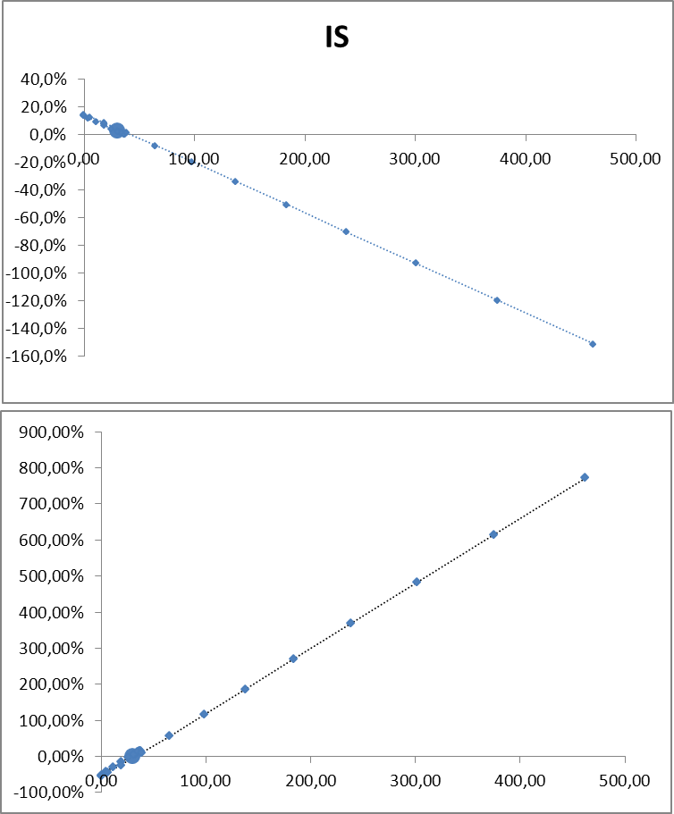

 | IS
100.00 | 4.0%
100.00 | 1.8%
104.50 | 2.1%
103.75 | 2.3%
103.38 | 2.4%
103.19 | 2.5%
103.09 | 2.5%
103.05 | 2.5%
103.02 | 2.5%
103.01 | 2.5%
103.01 | 2.5%
103.00 | 2.5%
103.00 | 2.5%
103.00 | 2.5%
103.00 | 2.5%
103.00 | 2.5%
103.00 | 2.5%
103.00 | 2.5%
103.00 | 2.5%
103.00 | 2.5%
103.00 | 2.5%
103.00 | 2.5%
103.00 | 2.5%
103.00 | 2.5%
103.00 | 2.5%
103.00 | 2.5%
103.00 | 2.5%
103.00 | 2.5%

100.00 | 2.00%
100.00 | -1.00%
104.50 | 0.50%
103.75 | 1.25%
103.38 | 1.63%
103.19 | 1.81%
103.09 | 1.91%
103.05 | 1.95%
103.02 | 1.98%
103.01 | 1.99%
103.01 | 1.99%
103.00 | 2.00%
103.00 | 2.00%
103.00 | 2.00%
103.00 | 2.00%
103.00 | 2.00%
103.00 | 2.00%
103.00 | 2.00%
103.00 | 2.00%
103.00 | 2.00%
103.00 | 2.00%
103.00 | 2.00%
103.00 | 2.00%
103.00 | 2.00%
103.00 | 2.00%
103.00 | 2.00%
103.00 | 2.00%
103.00 | 2.00%

inflation, income and inter-2
GDP
 | Actual GDP | Potential GDP
1 | 100.0 | 100.0
2 | 100.0 | 100.0
3 | 100.0 | 100.0
4 | 100.0 | 100.0
5 | 100.0 | 103.0
6 | 104.5 | 103.0
7 | 103.8 | 103.0
8 | 103.4 | 103.0
9 | 103.2 | 103.0
10 | 103.1 | 103.0
11 | 103.0 | 103.0
12 | 103.0 | 103.0
13 | 103.0 | 103.0
14 | 103.0 | 103.0
15 | 103.0 | 103.0
16 | 103.0 | 103.0
17 | 103.0 | 103.0
18 | 103.0 | 103.0
19 | 103.0 | 103.0
20 | 103.0 | 103.0
Output gap (actual-potential GDP) as % of potential GDP
1 | 0.0%
2 | 0.0%
3 | 0.0%
4 | 0.0%
5 | -2.9%
6 | 1.5%
7 | 0.7%
8 | 0.4%
9 | 0.2%
10 | 0.1%
11 | 0.0%
12 | 0.0%
13 | 0.0%
14 | 0.0%
15 | 0.0%
16 | 0.0%
17 | 0.0%
18 | 0.0%
19 | 0.0%
20 | 0.0%

Your input data in "main page"
Main page-Closed economy

Supply shock in t=5 | yes
Demand shock in t=5 | no
Random shocks every three periods | no
Change in inflation target in t=10 | no
Stabilization fiscal measure | no
Hysteresis | no

 |  | 0

GDP (with hysteresis)
 | Actual GDP | Potential GDP
1 | 100.0 | 100.0
2 | 100.0 | 100.0
3 | 100.0 | 100.0
4 | 100.0 | 100.0
5 | 100.0 | 103.0
6 | 104.5 | 103.0
7 | 103.8 | 104.1
8 | 105.1 | 105.1
9 | 106.0 | 106.3
10 | 107.4 | 107.8
11 | 106.8 | 108.6
12 | 103.3 | 109.3
13 | 91.2 | 108.9
14 | 55.7 | 105.2
15 | 0.1 | 92.2
16 | 0.1 | 65.6
17 | 0.1 | 39.8
18 | 0.1 | 17.0
19 | 0.1 | 3.1
20 |  | 3.1
Output gap (actual-potential GDP) as % of potential GDP (with hysteresis)
1 | 0.00%
2 | 0.00%
3 | 0.00%
4 | 0.00%
5 | 0.00%
6 | 0.00%
7 | 0.00%
8 | 0.00%
9 | 0.00%
10 | 0.00%
11 | 0.00%
12 | 0.00%
13 | 0.00%
14 | 0.00%
15 | 0.00%
16 | 0.00%
17 | 0.00%
18 | 0.00%
19 | 0.00%
20 | 0.00%

 |  |  | FALSE
 |  |  | FALSE

 |  |  |  | 0

inflation, income and interest
Inflation (%)
 |  | HISTÉRESIS | RETRASO PERCEPCIÓN | randomshocks
1 | 2.0 | 1 | 1 | 1
2 | 2.0
3 | 2.0
4 | 2.0
5 | -1.0
6 | 0.5
7 | 1.3
8 | 1.6
9 | 1.8
10 | 1.9
11 | 2.0
12 | 2.0
13 | 2.0
14 | 2.0
15 | 2.0
16 | 2.0
17 | 2.0
18 | 2.0
19 | 2.0
20 | 2.0
Lending interest rates (%)
 | nominal | real | randomshocksnominal | nominal hysteresis | nominal delay perception | real hysteresis | randomshocksreal | real delay perception
1 | 6.0000 | 4.00 | 1 |  |  |  | 1
2 | 6.0000 | 4.00
3 | 6.0000 | 4.00
4 | 6.0000 | 4.00
5 | 0.7500 | 1.75
6 | 2.6250 | 2.13
7 | 3.5625 | 2.31
8 | 4.0313 | 2.41
9 | 4.2656 | 2.45
10 | 4.3828 | 2.48
11 | 4.4414 | 2.49
12 | 4.4707 | 2.49
13 | 4.4854 | 2.50
14 | 4.4927 | 2.50
15 | 4.4963 | 2.50
16 | 4.4982 | 2.50
17 | 4.4991 | 2.50
18 | 4.4995 | 2.50
19 | 4.4998 | 2.50
20 | 4.4999 | 2.50

Your input data in "main page"
Main page-Closed economy

Supply shock in t=5 |  | yes
Demand shock in t=5 |  | no
Random shocks every three periods |  | no
Change in inflation target in t=10 |  | no
Show potential GDP and output gap
Stabilization fiscal measure |  | no
Hysteresis |  | no

GDP
 |  | randomshocksgdp | randomshocksgdp | HISTÉRESIS | RETRASO PERCEPCIÓN
1 | 100.0 | 1 | 1 | 1 | 1
2 | 100.0
3 | 100.0
4 | 100.0
5 | 100.0
6 | 104.5
7 | 103.8
8 | 103.4
9 | 103.2
10 | 103.1
11 | 103.0
12 | 103.0
13 | 103.0
14 | 103.0
15 | 103.0
16 | 103.0
17 | 103.0
18 | 103.0
19 | 103.0
20 | 103.0
Economic growth
 |  | randomshocksgrowth | HISTÉRESIS | RETRASO PERCEPCIÓN
1 |  | 1 | 1 | 1
2 | 0.00%
3 | 0.00%
4 | 0.00%
5 | 0.00%
6 | 4.50%
7 | -0.72%
8 | -0.36%
9 | -0.18%
10 | -0.09%
11 | -0.05%
12 | -0.02%
13 | -0.01%
14 | -0.01%
15 | 0.00%
16 | 0.00%
17 | 0.00%
18 | 0.00%
19 | 0.00%
20 | 0.00%

 |  |  | 0
Show the case when it takes five periods for the central bank to recognize a change in equilibrium income (dashed line)

 |  |  |  | simulator
 |  |  |  | FALSE

 |  |  |  |  | 0
2 | 2.00

figures on public finance
Primary budget/GDP
 | 1
Total budget/GDP
 | 1

Your input data in "main page"
Main page-Closed economy

Supply shock in t=5 | yes
Demand shock in t=5 | no
Random shocks every three periods | no
Change in inflation target in t=10 | no
Public Debt/GDP
 | 1
Stabilization fiscal measure | no
Tax rate (initial tax revenues/GDP) | 20.0%
Initial public expenditures/GDP | 20.0%
Initial public debt/GDP | 0.0%

 |  | 0

numerical results
Hysteresis
Delay in perception
Baseline
Baseline
 | Baseline |  |  |  |  |  |  |  |  |  |  |  |  |  |  |  | Delay in the perception of supply shokcs |  |  |  |  |  |  |  | Hysteresis
Periods | Output gap | GDP | Growth | Inflation | Lending nom. i.r. | Lending real i.r. | Primary budget balance/GDP | Total budget balance/GDP | Public debt/PIB | Public expenditure/GDP | Tax revenues/GDP | Real exchange rate | Nominal exchange rate | Trade balance/GDP | Current account/GDP | NIIP/GDP | Inflation | Output gap according to CB | True out put gap | GDP | Growth | Lending nominal i.r. | Lending real i.r. | Output gap | Inflation | GDP | Growth | Lending nominal i.r. | Lending real i.r.
1 | 0.0% | 100.00 |  | 2.00% | 6.0% | 4.0% | 0.0% | 0.0% | 0.0% | 20.0% | 20.0%
2 | 0.0% | 100.00 | 0% | 2.00% | 6.0% | 4.0% | 0.0% | 0.0% | 0.0% | 20.0% | 20.0%
3 | 0.0% | 100.00 | 0% | 2.00% | 6.0% | 4.0% | 0.0% | 0.0% | 0.0% | 20.0% | 20.0%
4 | 0.0% | 100.00 | 0% | 2.00% | 6.0% | 4.0% | 0.0% | 0.0% | 0.0% | 20.0% | 20.0%
5 | -2.9% | 100.00 | 0% | -1.00% | 0.8% | 1.8% | 0.0% | 0.0% | 0.0% | 20.0% | 20.0%
6 | 1.5% | 104.50 | 4% | 0.50% | 2.6% | 2.1% | 0.9% | 0.9% | -0.9% | 19.1% | 20.0%
7 | 0.7% | 103.75 | -1% | 1.25% | 3.6% | 2.3% | 0.7% | 0.8% | -1.6% | 19.3% | 20.0%
8 | 0.4% | 103.38 | 0% | 1.63% | 4.0% | 2.4% | 0.7% | 0.7% | -2.3% | 19.3% | 20.0%
9 | 0.2% | 103.19 | 0% | 1.81% | 4.3% | 2.5% | 0.6% | 0.7% | -3.0% | 19.4% | 20.0%
10 | 0.1% | 103.09 | 0% | 1.91% | 4.4% | 2.5% | 0.6% | 0.7% | -3.7% | 19.4% | 20.0%
11 | 0.0% | 103.05 | 0% | 1.95% | 4.4% | 2.5% | 0.6% | 0.7% | -4.3% | 19.4% | 20.0%
12 | 0.0% | 103.02 | 0% | 1.98% | 4.5% | 2.5% | 0.6% | 0.7% | -5.0% | 19.4% | 20.0%
13 | 0.0% | 103.01 | 0% | 1.99% | 4.5% | 2.5% | 0.6% | 0.7% | -5.7% | 19.4% | 20.0%
14 | 0.0% | 103.01 | 0% | 1.99% | 4.5% | 2.5% | 0.6% | 0.7% | -6.5% | 19.4% | 20.0%
15 | 0.0% | 103.00 | 0% | 2.00% | 4.5% | 2.5% | 0.6% | 0.8% | -7.2% | 19.4% | 20.0%
16 | 0.0% | 103.00 | 0% | 2.00% | 4.5% | 2.5% | 0.6% | 0.8% | -8.0% | 19.4% | 20.0%
17 | 0.0% | 103.00 | 0% | 2.00% | 4.5% | 2.5% | 0.6% | 0.8% | -8.8% | 19.4% | 20.0%
18 | 0.0% | 103.00 | 0% | 2.00% | 4.5% | 2.5% | 0.6% | 0.8% | -9.6% | 19.4% | 20.0%
19 | 0.0% | 103.00 | 0% | 2.00% | 4.5% | 2.5% | 0.6% | 0.8% | -10.4% | 19.4% | 20.0%
20 | 0.0% | 103.00 | 0% | 2.00% | 4.5% | 2.5% | 0.6% | 0.9% | -11.2% | 19.4% | 20.0%
21 | 0.0% | 103.00 | 0% | 2.00% | 4.5% | 2.5% | 0.6% | 0.9% | -12.1% | 19.4% | 20.0%
22 | 0.0% | 103.00 | 0% | 2.00% | 4.5% | 2.5% | 0.6% | 0.9% | -13.0% | 19.4% | 20.0%
23 | 0.0% | 103.00 | 0% | 2.00% | 4.5% | 2.5% | 0.6% | 0.9% | -13.9% | 19.4% | 20.0%
24 | 0.0% | 103.00 | 0% | 2.00% | 4.5% | 2.5% | 0.6% | 1.0% | -14.8% | 19.4% | 20.0%
25 | 0.0% | 103.00 | 0% | 2.00% | 4.5% | 2.5% | 0.6% | 1.0% | -15.8% | 19.4% | 20.0%
26 | 0.0% | 103.00 | 0% | 2.00% | 4.5% | 2.5% | 0.6% | 1.0% | -16.7% | 19.4% | 20.0%
27 | 0.0% | 103.00 | 0% | 2.00% | 4.5% | 2.5% | 0.6% | 1.0% | -17.7% | 19.4% | 20.0%
28 | 0.0% | 103.00 | 0% | 2.00% | 4.5% | 2.5% | 0.6% | 1.1% | -18.8% | 19.4% | 20.0%
29 | 0.0% | 103.00 | 0% | 2.00% | 4.5% | 2.5% | 0.6% | 1.1% | -19.8% | 19.4% | 20.0%
30 | 0.0% | 103.00 | 0% | 2.00% | 4.5% | 2.5% | 0.6% | 1.1% | -20.9% | 19.4% | 20.0%
31 | 0.0% | 103.00 | 0% | 2.00% | 4.5% | 2.5% | 0.6% | 1.1% | -22.0% | 19.4% | 20.0%
32 | 0.0% | 103.00 | 0% | 2.00% | 4.5% | 2.5% | 0.6% | 1.2% | -23.1% | 19.4% | 20.0%
33 | 0.0% | 103.00 | 0% | 2.00% | 4.5% | 2.5% | 0.6% | 1.2% | -24.3% | 19.4% | 20.0%
34 | 0.0% | 103.00 | 0% | 2.00% | 4.5% | 2.5% | 0.6% | 1.2% | -25.5% | 19.4% | 20.0%
35 | 0.0% | 103.00 | 0% | 2.00% | 4.5% | 2.5% | 0.6% | 1.3% | -26.7% | 19.4% | 20.0%
36 | 0.0% | 103.00 | 0% | 2.00% | 4.5% | 2.5% | 0.6% | 1.3% | -28.0% | 19.4% | 20.0%
37 | 0.0% | 103.00 | 0% | 2.00% | 4.5% | 2.5% | 0.6% | 1.3% | -29.2% | 19.4% | 20.0%
38 | 0.0% | 103.00 | 0% | 2.00% | 4.5% | 2.5% | 0.6% | 1.3% | -30.6% | 19.4% | 20.0%
39 | 0.0% | 103.00 | 0% | 2.00% | 4.5% | 2.5% | 0.6% | 1.4% | -31.9% | 19.4% | 20.0%
40 | 0.0% | 103.00 | 0% | 2.00% | 4.5% | 2.5% | 0.6% | 1.4% | -33.3% | 19.4% | 20.0%
41 | 0.0% | 103.00 | 0% | 2.00% | 4.5% | 2.5% | 0.6% | 1.5% | -34.7% | 19.4% | 20.0%
42 | 0.0% | 103.00 | 0% | 2.00% | 4.5% | 2.5% | 0.6% | 1.5% | -36.2% | 19.4% | 20.0%
43 | 0.0% | 103.00 | 0% | 2.00% | 4.5% | 2.5% | 0.6% | 1.5% | -37.6% | 19.4% | 20.0%
44 | 0.0% | 103.00 | 0% | 2.00% | 4.5% | 2.5% | 0.6% | 1.6% | -39.2% | 19.4% | 20.0%
45 | 0.0% | 103.00 | 0% | 2.00% | 4.5% | 2.5% | 0.6% | 1.6% | -40.7% | 19.4% | 20.0%
46 | 0.0% | 103.00 | 0% | 2.00% | 4.5% | 2.5% | 0.6% | 1.6% | -42.3% | 19.4% | 20.0%
47 | 0.0% | 103.00 | 0% | 2.00% | 4.5% | 2.5% | 0.6% | 1.7% | -44.0% | 19.4% | 20.0%
48 | 0.0% | 103.00 | 0% | 2.00% | 4.5% | 2.5% | 0.6% | 1.7% | -45.6% | 19.4% | 20.0%
49 | 0.0% | 103.00 | 0% | 2.00% | 4.5% | 2.5% | 0.6% | 1.8% | -47.4% | 19.4% | 20.0%
50 | 0.0% | 103.00 | 0% | 2.00% | 4.5% | 2.5% | 0.6% | 1.8% | -49.1% | 19.4% | 20.0%
51 | 0.0% | 103.00 | 0% | 2.00% | 4.5% | 2.5% | 0.6% | 1.9% | -50.9% | 19.4% | 20.0%
52 | 0.0% | 103.00 | 0% | 2.00% | 4.5% | 2.5% | 0.6% | 1.9% | -52.8% | 19.4% | 20.0%
53 | 0.0% | 103.00 | 0% | 2.00% | 4.5% | 2.5% | 0.6% | 2.0% | -54.7% | 19.4% | 20.0%
54 | 0.0% | 103.00 | 0% | 2.00% | 4.5% | 2.5% | 0.6% | 2.0% | -56.7% | 19.4% | 20.0%
55 | 0.0% | 103.00 | 0% | 2.00% | 4.5% | 2.5% | 0.6% | 2.0% | -58.7% | 19.4% | 20.0%
56 | 0.0% | 103.00 | 0% | 2.00% | 4.5% | 2.5% | 0.6% | 2.1% | -60.7% | 19.4% | 20.0%
57 | 0.0% | 103.00 | 0% | 2.00% | 4.5% | 2.5% | 0.6% | 2.2% | -62.8% | 19.4% | 20.0%
58 | 0.0% | 103.00 | 0% | 2.00% | 4.5% | 2.5% | 0.6% | 2.2% | -65.0% | 19.4% | 20.0%
59 | 0.0% | 103.00 | 0% | 2.00% | 4.5% | 2.5% | 0.6% | 2.3% | -67.2% | 19.4% | 20.0%
60 | 0.0% | 103.00 | 0% | 2.00% | 4.5% | 2.5% | 0.6% | 2.3% | -69.4% | 19.4% | 20.0%
61 | 0.0% | 103.00 | 0% | 2.00% | 4.5% | 2.5% | 0.6% | 2.4% | -71.7% | 19.4% | 20.0%
62 | 0.0% | 103.00 | 0% | 2.00% | 4.5% | 2.5% | 0.6% | 2.4% | -74.1% | 19.4% | 20.0%
63 | 0.0% | 103.00 | 0% | 2.00% | 4.5% | 2.5% | 0.6% | 2.5% | -76.6% | 19.4% | 20.0%
64 | 0.0% | 103.00 | 0% | 2.00% | 4.5% | 2.5% | 0.6% | 2.6% | -79.1% | 19.4% | 20.0%
65 | 0.0% | 103.00 | 0% | 2.00% | 4.5% | 2.5% | 0.6% | 2.6% | -81.6% | 19.4% | 20.0%
66 | 0.0% | 103.00 | 0% | 2.00% | 4.5% | 2.5% | 0.6% | 2.7% | -84.2% | 19.4% | 20.0%
67 | 0.0% | 103.00 | 0% | 2.00% | 4.5% | 2.5% | 0.6% | 2.8% | -86.9% | 19.4% | 20.0%
68 | 0.0% | 103.00 | 0% | 2.00% | 4.5% | 2.5% | 0.6% | 2.8% | -89.7% | 19.4% | 20.0%
69 | 0.0% | 103.00 | 0% | 2.00% | 4.5% | 2.5% | 0.6% | 2.9% | -92.5% | 19.4% | 20.0%
70 | 0.0% | 103.00 | 0% | 2.00% | 4.5% | 2.5% | 0.6% | 3.0% | -95.4% | 19.4% | 20.0%
71 | 0.0% | 103.00 | 0% | 2.00% | 4.5% | 2.5% | 0.6% | 3.0% | -98.4% | 19.4% | 20.0%
72 | 0.0% | 103.00 | 0% | 2.00% | 4.5% | 2.5% | 0.6% | 3.1% | -101.4% | 19.4% | 20.0%
73 | 0.0% | 103.00 | 0% | 2.00% | 4.5% | 2.5% | 0.6% | 3.2% | -104.5% | 19.4% | 20.0%
74 | 0.0% | 103.00 | 0% | 2.00% | 4.5% | 2.5% | 0.6% | 3.3% | -107.7% | 19.4% | 20.0%
75 | 0.0% | 103.00 | 0% | 2.00% | 4.5% | 2.5% | 0.6% | 3.4% | -111.0% | 19.4% | 20.0%
76 | 0.0% | 103.00 | 0% | 2.00% | 4.5% | 2.5% | 0.6% | 3.4% | -114.4% | 19.4% | 20.0%
77 | 0.0% | 103.00 | 0% | 2.00% | 4.5% | 2.5% | 0.6% | 3.5% | -117.8% | 19.4% | 20.0%
78 | 0.0% | 103.00 | 0% | 2.00% | 4.5% | 2.5% | 0.6% | 3.6% | -121.3% | 19.4% | 20.0%
79 | 0.0% | 103.00 | 0% | 2.00% | 4.5% | 2.5% | 0.6% | 3.7% | -124.9% | 19.4% | 20.0%
80 | 0.0% | 103.00 | 0% | 2.00% | 4.5% | 2.5% | 0.6% | 3.8% | -128.6% | 19.4% | 20.0%
81 | 0.0% | 103.00 | 0% | 2.00% | 4.5% | 2.5% | 0.6% | 3.9% | -132.4% | 19.4% | 20.0%
82 | 0.0% | 103.00 | 0% | 2.00% | 4.5% | 2.5% | 0.6% | 4.0% | -136.3% | 19.4% | 20.0%
83 | 0.0% | 103.00 | 0% | 2.00% | 4.5% | 2.5% | 0.6% | 4.1% | -140.3% | 19.4% | 20.0%
84 | 0.0% | 103.00 | 0% | 2.00% | 4.5% | 2.5% | 0.6% | 4.2% | -144.4% | 19.4% | 20.0%
85 | 0.0% | 103.00 | 0% | 2.00% | 4.5% | 2.5% | 0.6% | 4.3% | -148.6% | 19.4% | 20.0%
86 | 0.0% | 103.00 | 0% | 2.00% | 4.5% | 2.5% | 0.6% | 4.4% | -152.9% | 19.4% | 20.0%
87 | 0.0% | 103.00 | 0% | 2.00% | 4.5% | 2.5% | 0.6% | 4.5% | -157.3% | 19.4% | 20.0%
88 | 0.0% | 103.00 | 0% | 2.00% | 4.5% | 2.5% | 0.6% | 4.6% | -161.8% | 19.4% | 20.0%
89 | 0.0% | 103.00 | 0% | 2.00% | 4.5% | 2.5% | 0.6% | 4.7% | -166.5% | 19.4% | 20.0%
90 | 0.0% | 103.00 | 0% | 2.00% | 4.5% | 2.5% | 0.6% | 4.9% | -171.2% | 19.4% | 20.0%
91 | 0.0% | 103.00 | 0% | 2.00% | 4.5% | 2.5% | 0.6% | 5.0% | -176.1% | 19.4% | 20.0%
92 | 0.0% | 103.00 | 0% | 2.00% | 4.5% | 2.5% | 0.6% | 5.1% | -181.0% | 19.4% | 20.0%
93 | 0.0% | 103.00 | 0% | 2.00% | 4.5% | 2.5% | 0.6% | 5.2% | -186.2% | 19.4% | 20.0%
94 | 0.0% | 103.00 | 0% | 2.00% | 4.5% | 2.5% | 0.6% | 5.4% | -191.4% | 19.4% | 20.0%
95 | 0.0% | 103.00 | 0% | 2.00% | 4.5% | 2.5% | 0.6% | 5.5% | -196.8% | 19.4% | 20.0%
96 | 0.0% | 103.00 | 0% | 2.00% | 4.5% | 2.5% | 0.6% | 5.6% | -202.3% | 19.4% | 20.0%
97 | 0.0% | 103.00 | 0% | 2.00% | 4.5% | 2.5% | 0.6% | 5.8% | -207.9% | 19.4% | 20.0%
98 | 0.0% | 103.00 | 0% | 2.00% | 4.5% | 2.5% | 0.6% | 5.9% | -213.7% | 19.4% | 20.0%
99 | 0.0% | 103.00 | 0% | 2.00% | 4.5% | 2.5% | 0.6% | 6.1% | -219.6% | 19.4% | 20.0%
100 | 0.0% | 103.00 | 0% | 2.00% | 4.5% | 2.5% | 0.6% | 6.2% | -225.7% | 19.4% | 20.0%
101 | 0.0% | 103.00 | 0% | 2.00% | 4.5% | 2.5% | 0.6% | 6.4% | -231.9% | 19.4% | 20.0%
102 | 0.0% | 103.00 | 0% | 2.00% | 4.5% | 2.5% | 0.6% | 6.5% | -238.3% | 19.4% | 20.0%
103 | 0.0% | 103.00 | 0% | 2.00% | 4.5% | 2.5% | 0.6% | 6.7% | -244.8% | 19.4% | 20.0%
104 | 0.0% | 103.00 | 0% | 2.00% | 4.5% | 2.5% | 0.6% | 6.9% | -251.5% | 19.4% | 20.0%
105 | 0.0% | 103.00 | 0% | 2.00% | 4.5% | 2.5% | 0.6% | 7.0% | -258.4% | 19.4% | 20.0%
106 | 0.0% | 103.00 | 0% | 2.00% | 4.5% | 2.5% | 0.6% | 7.2% | -265.4% | 19.4% | 20.0%
107 | 0.0% | 103.00 | 0% | 2.00% | 4.5% | 2.5% | 0.6% | 7.4% | -272.7% | 19.4% | 20.0%
108 | 0.0% | 103.00 | 0% | 2.00% | 4.5% | 2.5% | 0.6% | 7.6% | -280.1% | 19.4% | 20.0%
109 | 0.0% | 103.00 | 0% | 2.00% | 4.5% | 2.5% | 0.6% | 7.8% | -287.6% | 19.4% | 20.0%
110 | 0.0% | 103.00 | 0% | 2.00% | 4.5% | 2.5% | 0.6% | 8.0% | -295.4% | 19.4% | 20.0%
111 | 0.0% | 103.00 | 0% | 2.00% | 4.5% | 2.5% | 0.6% | 8.2% | -303.4% | 19.4% | 20.0%
112 | 0.0% | 103.00 | 0% | 2.00% | 4.5% | 2.5% | 0.6% | 8.4% | -311.5% | 19.4% | 20.0%
113 | 0.0% | 103.00 | 0% | 2.00% | 4.5% | 2.5% | 0.6% | 8.6% | -319.9% | 19.4% | 20.0%
114 | 0.0% | 103.00 | 0% | 2.00% | 4.5% | 2.5% | 0.6% | 8.8% | -328.5% | 19.4% | 20.0%
115 | 0.0% | 103.00 | 0% | 2.00% | 4.5% | 2.5% | 0.6% | 9.0% | -337.3% | 19.4% | 20.0%
116 | 0.0% | 103.00 | 0% | 2.00% | 4.5% | 2.5% | 0.6% | 9.2% | -346.3% | 19.4% | 20.0%
117 | 0.0% | 103.00 | 0% | 2.00% | 4.5% | 2.5% | 0.6% | 9.5% | -355.6% | 19.4% | 20.0%
118 | 0.0% | 103.00 | 0% | 2.00% | 4.5% | 2.5% | 0.6% | 9.7% | -365.0% | 19.4% | 20.0%
119 | 0.0% | 103.00 | 0% | 2.00% | 4.5% | 2.5% | 0.6% | 10.0% | -374.7% | 19.4% | 20.0%
120 | 0.0% | 103.00 | 0% | 2.00% | 4.5% | 2.5% | 0.6% | 10.2% | -384.7% | 19.4% | 20.0%
121 | 0.0% | 103.00 | 0% | 2.00% | 4.5% | 2.5% | 0.6% | 10.5% | -394.9% | 19.4% | 20.0%
122 | 0.0% | 103.00 | 0% | 2.00% | 4.5% | 2.5% | 0.6% | 10.7% | -405.3% | 19.4% | 20.0%
123 | 0.0% | 103.00 | 0% | 2.00% | 4.5% | 2.5% | 0.6% | 11.0% | -416.1% | 19.4% | 20.0%
124 | 0.0% | 103.00 | 0% | 2.00% | 4.5% | 2.5% | 0.6% | 11.3% | -427.0% | 19.4% | 20.0%
125 | 0.0% | 103.00 | 0% | 2.00% | 4.5% | 2.5% | 0.6% | 11.5% | -438.3% | 19.4% | 20.0%
126 | 0.0% | 103.00 | 0% | 2.00% | 4.5% | 2.5% | 0.6% | 11.8% | -449.8% | 19.4% | 20.0%
127 | 0.0% | 103.00 | 0% | 2.00% | 4.5% | 2.5% | 0.6% | 12.1% | -461.7% | 19.4% | 20.0%
128 | 0.0% | 103.00 | 0% | 2.00% | 4.5% | 2.5% | 0.6% | 12.4% | -473.8% | 19.4% | 20.0%
129 | 0.0% | 103.00 | 0% | 2.00% | 4.5% | 2.5% | 0.6% | 12.7% | -486.2% | 19.4% | 20.0%
130 | 0.0% | 103.00 | 0% | 2.00% | 4.5% | 2.5% | 0.6% | 13.1% | -498.9% | 19.4% | 20.0%
131 | 0.0% | 103.00 | 0% | 2.00% | 4.5% | 2.5% | 0.6% | 13.4% | -512.0% | 19.4% | 20.0%
132 | 0.0% | 103.00 | 0% | 2.00% | 4.5% | 2.5% | 0.6% | 13.7% | -525.4% | 19.4% | 20.0%
133 | 0.0% | 103.00 | 0% | 2.00% | 4.5% | 2.5% | 0.6% | 14.1% | -539.1% | 19.4% | 20.0%
134 | 0.0% | 103.00 | 0% | 2.00% | 4.5% | 2.5% | 0.6% | 14.4% | -553.2% | 19.4% | 20.0%
135 | 0.0% | 103.00 | 0% | 2.00% | 4.5% | 2.5% | 0.6% | 14.8% | -567.6% | 19.4% | 20.0%
136 | 0.0% | 103.00 | 0% | 2.00% | 4.5% | 2.5% | 0.6% | 15.1% | -582.3% | 19.4% | 20.0%
137 | 0.0% | 103.00 | 0% | 2.00% | 4.5% | 2.5% | 0.6% | 15.5% | -597.5% | 19.4% | 20.0%
138 | 0.0% | 103.00 | 0% | 2.00% | 4.5% | 2.5% | 0.6% | 15.9% | -613.0% | 19.4% | 20.0%
139 | 0.0% | 103.00 | 0% | 2.00% | 4.5% | 2.5% | 0.6% | 16.3% | -628.9% | 19.4% | 20.0%
140 | 0.0% | 103.00 | 0% | 2.00% | 4.5% | 2.5% | 0.6% | 16.7% | -645.2% | 19.4% | 20.0%
141 | 0.0% | 103.00 | 0% | 2.00% | 4.5% | 2.5% | 0.6% | 17.1% | -661.9% | 19.4% | 20.0%
142 | 0.0% | 103.00 | 0% | 2.00% | 4.5% | 2.5% | 0.6% | 17.6% | -679.1% | 19.4% | 20.0%
143 | 0.0% | 103.00 | 0% | 2.00% | 4.5% | 2.5% | 0.6% | 18.0% | -696.6% | 19.4% | 20.0%
144 | 0.0% | 103.00 | 0% | 2.00% | 4.5% | 2.5% | 0.6% | 18.4% | -714.6% | 19.4% | 20.0%
145 | 0.0% | 103.00 | 0% | 2.00% | 4.5% | 2.5% | 0.6% | 18.9% | -733.1% | 19.4% | 20.0%
146 | 0.0% | 103.00 | 0% | 2.00% | 4.5% | 2.5% | 0.6% | 19.4% | -752.0% | 19.4% | 20.0%
147 | 0.0% | 103.00 | 0% | 2.00% | 4.5% | 2.5% | 0.6% | 19.9% | -771.4% | 19.4% | 20.0%
148 | 0.0% | 103.00 | 0% | 2.00% | 4.5% | 2.5% | 0.6% | 20.4% | -791.2% | 19.4% | 20.0%
149 | 0.0% | 103.00 | 0% | 2.00% | 4.5% | 2.5% | 0.6% | 20.9% | -811.6% | 19.4% | 20.0%
150 | 0.0% | 103.00 | 0% | 2.00% | 4.5% | 2.5% | 0.6% | 21.4% | -832.5% | 19.4% | 20.0%
151 | 0.0% | 103.00 | 0% | 2.00% | 4.5% | 2.5% | 0.6% | 21.9% | -853.9% | 19.4% | 20.0%
152 | 0.0% | 103.00 | 0% | 2.00% | 4.5% | 2.5% | 0.6% | 22.5% | -875.8% | 19.4% | 20.0%
153 | 0.0% | 103.00 | 0% | 2.00% | 4.5% | 2.5% | 0.6% | 23.0% | -898.3% | 19.4% | 20.0%
154 | 0.0% | 103.00 | 0% | 2.00% | 4.5% | 2.5% | 0.6% | 23.6% | -921.3% | 19.4% | 20.0%
155 | 0.0% | 103.00 | 0% | 2.00% | 4.5% | 2.5% | 0.6% | 24.2% | -944.9% | 19.4% | 20.0%
156 | 0.0% | 103.00 | 0% | 2.00% | 4.5% | 2.5% | 0.6% | 24.8% | -969.1% | 19.4% | 20.0%
157 | 0.0% | 103.00 | 0% | 2.00% | 4.5% | 2.5% | 0.6% | 25.4% | -993.9% | 19.4% | 20.0%
158 | 0.0% | 103.00 | 0% | 2.00% | 4.5% | 2.5% | 0.6% | 26.1% | -1019.4% | 19.4% | 20.0%
159 | 0.0% | 103.00 | 0% | 2.00% | 4.5% | 2.5% | 0.6% | 26.7% | -1045.4% | 19.4% | 20.0%
160 | 0.0% | 103.00 | 0% | 2.00% | 4.5% | 2.5% | 0.6% | 27.4% | -1072.2% | 19.4% | 20.0%
161 | 0.0% | 103.00 | 0% | 2.00% | 4.5% | 2.5% | 0.6% | 28.1% | -1099.5% | 19.4% | 20.0%
162 | 0.0% | 103.00 | 0% | 2.00% | 4.5% | 2.5% | 0.6% | 28.8% | -1127.6% | 19.4% | 20.0%
163 | 0.0% | 103.00 | 0% | 2.00% | 4.5% | 2.5% | 0.6% | 29.5% | -1156.4% | 19.4% | 20.0%
164 | 0.0% | 103.00 | 0% | 2.00% | 4.5% | 2.5% | 0.6% | 30.2% | -1185.9% | 19.4% | 20.0%
165 | 0.0% | 103.00 | 0% | 2.00% | 4.5% | 2.5% | 0.6% | 31.0% | -1216.1% | 19.4% | 20.0%
166 | 0.0% | 103.00 | 0% | 2.00% | 4.5% | 2.5% | 0.6% | 31.8% | -1247.1% | 19.4% | 20.0%
167 | 0.0% | 103.00 | 0% | 2.00% | 4.5% | 2.5% | 0.6% | 32.6% | -1278.9% | 19.4% | 20.0%
168 | 0.0% | 103.00 | 0% | 2.00% | 4.5% | 2.5% | 0.6% | 33.4% | -1311.4% | 19.4% | 20.0%
169 | 0.0% | 103.00 | 0% | 2.00% | 4.5% | 2.5% | 0.6% | 34.2% | -1344.8% | 19.4% | 20.0%
170 | 0.0% | 103.00 | 0% | 2.00% | 4.5% | 2.5% | 0.6% | 35.1% | -1379.0% | 19.4% | 20.0%
171 | 0.0% | 103.00 | 0% | 2.00% | 4.5% | 2.5% | 0.6% | 35.9% | -1414.0% | 19.4% | 20.0%
172 | 0.0% | 103.00 | 0% | 2.00% | 4.5% | 2.5% | 0.6% | 36.8% | -1450.0% | 19.4% | 20.0%
173 | 0.0% | 103.00 | 0% | 2.00% | 4.5% | 2.5% | 0.6% | 37.8% | -1486.8% | 19.4% | 20.0%
174 | 0.0% | 103.00 | 0% | 2.00% | 4.5% | 2.5% | 0.6% | 38.7% | -1524.5% | 19.4% | 20.0%
175 | 0.0% | 103.00 | 0% | 2.00% | 4.5% | 2.5% | 0.6% | 39.7% | -1563.2% | 19.4% | 20.0%
176 | 0.0% | 103.00 | 0% | 2.00% | 4.5% | 2.5% | 0.6% | 40.7% | -1602.9% | 19.4% | 20.0%
177 | 0.0% | 103.00 | 0% | 2.00% | 4.5% | 2.5% | 0.6% | 41.7% | -1643.6% | 19.4% | 20.0%
178 | 0.0% | 103.00 | 0% | 2.00% | 4.5% | 2.5% | 0.6% | 42.7% | -1685.2% | 19.4% | 20.0%
179 | 0.0% | 103.00 | 0% | 2.00% | 4.5% | 2.5% | 0.6% | 43.8% | -1727.9% | 19.4% | 20.0%
180 | 0.0% | 103.00 | 0% | 2.00% | 4.5% | 2.5% | 0.6% | 44.9% | -1771.7% | 19.4% | 20.0%
181 | 0.0% | 103.00 | 0% | 2.00% | 4.5% | 2.5% | 0.6% | 46.0% | -1816.6% | 19.4% | 20.0%
182 | 0.0% | 103.00 | 0% | 2.00% | 4.5% | 2.5% | 0.6% | 47.1% | -1862.6% | 19.4% | 20.0%
183 | 0.0% | 103.00 | 0% | 2.00% | 4.5% | 2.5% | 0.6% | 48.3% | -1909.8% | 19.4% | 20.0%
184 | 0.0% | 103.00 | 0% | 2.00% | 4.5% | 2.5% | 0.6% | 49.5% | -1958.1% | 19.4% | 20.0%
185 | 0.0% | 103.00 | 0% | 2.00% | 4.5% | 2.5% | 0.6% | 50.8% | -2007.6% | 19.4% | 20.0%
186 | 0.0% | 103.00 | 0% | 2.00% | 4.5% | 2.5% | 0.6% | 52.0% | -2058.4% | 19.4% | 20.0%
187 | 0.0% | 103.00 | 0% | 2.00% | 4.5% | 2.5% | 0.6% | 53.3% | -2110.4% | 19.4% | 20.0%
188 | 0.0% | 103.00 | 0% | 2.00% | 4.5% | 2.5% | 0.6% | 54.7% | -2163.8% | 19.4% | 20.0%
189 | 0.0% | 103.00 | 0% | 2.00% | 4.5% | 2.5% | 0.6% | 56.0% | -2218.4% | 19.4% | 20.0%
190 | 0.0% | 103.00 | 0% | 2.00% | 4.5% | 2.5% | 0.6% | 57.4% | -2274.5% | 19.4% | 20.0%
191 | 0.0% | 103.00 | 0% | 2.00% | 4.5% | 2.5% | 0.6% | 58.9% | -2331.9% | 19.4% | 20.0%
192 | 0.0% | 103.00 | 0% | 2.00% | 4.5% | 2.5% | 0.6% | 60.4% | -2390.8% | 19.4% | 20.0%
193 | 0.0% | 103.00 | 0% | 2.00% | 4.5% | 2.5% | 0.6% | 61.9% | -2451.2% | 19.4% | 20.0%
194 | 0.0% | 103.00 | 0% | 2.00% | 4.5% | 2.5% | 0.6% | 63.4% | -2513.0% | 19.4% | 20.0%
195 | 0.0% | 103.00 | 0% | 2.00% | 4.5% | 2.5% | 0.6% | 65.0% | -2576.4% | 19.4% | 20.0%
196 | 0.0% | 103.00 | 0% | 2.00% | 4.5% | 2.5% | 0.6% | 66.6% | -2641.4% | 19.4% | 20.0%
197 | 0.0% | 103.00 | 0% | 2.00% | 4.5% | 2.5% | 0.6% | 68.3% | -2708.1% | 19.4% | 20.0%
198 | 0.0% | 103.00 | 0% | 2.00% | 4.5% | 2.5% | 0.6% | 70.0% | -2776.3% | 19.4% | 20.0%
199 | 0.0% | 103.00 | 0% | 2.00% | 4.5% | 2.5% | 0.6% | 71.7% | -2846.3% | 19.4% | 20.0%
200 | 0.0% | 103.00 | 0% | 2.00% | 4.5% | 2.5% | 0.6% | 73.5% | -2918.1% | 19.4% | 20.0%
201 | 0.0% | 103.00 | 0% | 2.00% | 4.5% | 2.5% | 0.6% | 75.4% | -2991.6% | 19.4% | 20.0%
202 | 0.0% | 103.00 | 0% | 2.00% | 4.5% | 2.5% | 0.6% | 77.3% | -3067.0% | 19.4% | 20.0%
203 | 0.0% | 103.00 | 0% | 2.00% | 4.5% | 2.5% | 0.6% | 79.2% | -3144.2% | 19.4% | 20.0%
204 | 0.0% | 103.00 | 0% | 2.00% | 4.5% | 2.5% | 0.6% | 81.2% | -3223.4% | 19.4% | 20.0%
205 | 0.0% | 103.00 | 0% | 2.00% | 4.5% | 2.5% | 0.6% | 83.2% | -3304.6% | 19.4% | 20.0%
206 | 0.0% | 103.00 | 0% | 2.00% | 4.5% | 2.5% | 0.6% | 85.3% | -3387.8% | 19.4% | 20.0%
207 | 0.0% | 103.00 | 0% | 2.00% | 4.5% | 2.5% | 0.6% | 87.4% | -3473.1% | 19.4% | 20.0%
208 | 0.0% | 103.00 | 0% | 2.00% | 4.5% | 2.5% | 0.6% | 89.6% | -3560.5% | 19.4% | 20.0%
209 | 0.0% | 103.00 | 0% | 2.00% | 4.5% | 2.5% | 0.6% | 91.8% | -3650.1% | 19.4% | 20.0%
210 | 0.0% | 103.00 | 0% | 2.00% | 4.5% | 2.5% | 0.6% | 94.1% | -3741.9% | 19.4% | 20.0%
211 | 0.0% | 103.00 | 0% | 2.00% | 4.5% | 2.5% | 0.6% | 96.5% | -3836.0% | 19.4% | 20.0%
212 | 0.0% | 103.00 | 0% | 2.00% | 4.5% | 2.5% | 0.6% | 98.9% | -3932.5% | 19.4% | 20.0%
213 | 0.0% | 103.00 | 0% | 2.00% | 4.5% | 2.5% | 0.6% | 101.4% | -4031.4% | 19.4% | 20.0%
214 | 0.0% | 103.00 | 0% | 2.00% | 4.5% | 2.5% | 0.6% | 103.9% | -4132.8% | 19.4% | 20.0%
215 | 0.0% | 103.00 | 0% | 2.00% | 4.5% | 2.5% | 0.6% | 106.5% | -4236.7% | 19.4% | 20.0%
216 | 0.0% | 103.00 | 0% | 2.00% | 4.5% | 2.5% | 0.6% | 109.2% | -4343.2% | 19.4% | 20.0%
217 | 0.0% | 103.00 | 0% | 2.00% | 4.5% | 2.5% | 0.6% | 111.9% | -4452.3% | 19.4% | 20.0%
218 | 0.0% | 103.00 | 0% | 2.00% | 4.5% | 2.5% | 0.6% | 114.7% | -4564.2% | 19.4% | 20.0%
219 | 0.0% | 103.00 | 0% | 2.00% | 4.5% | 2.5% | 0.6% | 117.6% | -4678.9% | 19.4% | 20.0%
220 | 0.0% | 103.00 | 0% | 2.00% | 4.5% | 2.5% | 0.6% | 120.5% | -4796.5% | 19.4% | 20.0%
221 | 0.0% | 103.00 | 0% | 2.00% | 4.5% | 2.5% | 0.6% | 123.5% | -4917.0% | 19.4% | 20.0%
222 | 0.0% | 103.00 | 0% | 2.00% | 4.5% | 2.5% | 0.6% | 126.6% | -5040.5% | 19.4% | 20.0%
223 | 0.0% | 103.00 | 0% | 2.00% | 4.5% | 2.5% | 0.6% | 129.8% | -5167.1% | 19.4% | 20.0%
224 | 0.0% | 103.00 | 0% | 2.00% | 4.5% | 2.5% | 0.6% | 133.0% | -5296.8% | 19.4% | 20.0%
225 | 0.0% | 103.00 | 0% | 2.00% | 4.5% | 2.5% | 0.6% | 136.3% | -5429.8% | 19.4% | 20.0%
226 | 0.0% | 103.00 | 0% | 2.00% | 4.5% | 2.5% | 0.6% | 139.7% | -5566.2% | 19.4% | 20.0%
227 | 0.0% | 103.00 | 0% | 2.00% | 4.5% | 2.5% | 0.6% | 143.2% | -5705.9% | 19.4% | 20.0%
228 | 0.0% | 103.00 | 0% | 2.00% | 4.5% | 2.5% | 0.6% | 146.8% | -5849.1% | 19.4% | 20.0%
229 | 0.0% | 103.00 | 0% | 2.00% | 4.5% | 2.5% | 0.6% | 150.5% | -5995.9% | 19.4% | 20.0%
230 | 0.0% | 103.00 | 0% | 2.00% | 4.5% | 2.5% | 0.6% | 154.2% | -6146.4% | 19.4% | 20.0%
231 | 0.0% | 103.00 | 0% | 2.00% | 4.5% | 2.5% | 0.6% | 158.1% | -6300.7% | 19.4% | 20.0%
232 | 0.0% | 103.00 | 0% | 2.00% | 4.5% | 2.5% | 0.6% | 162.1% | -6458.8% | 19.4% | 20.0%
233 | 0.0% | 103.00 | 0% | 2.00% | 4.5% | 2.5% | 0.6% | 166.1% | -6620.8% | 19.4% | 20.0%
234 | 0.0% | 103.00 | 0% | 2.00% | 4.5% | 2.5% | 0.6% | 170.3% | -6786.9% | 19.4% | 20.0%
235 | 0.0% | 103.00 | 0% | 2.00% | 4.5% | 2.5% | 0.6% | 174.5% | -6957.2% | 19.4% | 20.0%
236 | 0.0% | 103.00 | 0% | 2.00% | 4.5% | 2.5% | 0.6% | 178.9% | -7131.7% | 19.4% | 20.0%
237 | 0.0% | 103.00 | 0% | 2.00% | 4.5% | 2.5% | 0.6% | 183.3% | -7310.6% | 19.4% | 20.0%
238 | 0.0% | 103.00 | 0% | 2.00% | 4.5% | 2.5% | 0.6% | 187.9% | -7493.9% | 19.4% | 20.0%
239 | 0.0% | 103.00 | 0% | 2.00% | 4.5% | 2.5% | 0.6% | 192.6% | -7681.8% | 19.4% | 20.0%
240 | 0.0% | 103.00 | 0% | 2.00% | 4.5% | 2.5% | 0.6% | 197.4% | -7874.5% | 19.4% | 20.0%
241 | 0.0% | 103.00 | 0% | 2.00% | 4.5% | 2.5% | 0.6% | 202.4% | -8071.9% | 19.4% | 20.0%
242 | 0.0% | 103.00 | 0% | 2.00% | 4.5% | 2.5% | 0.6% | 207.4% | -8274.3% | 19.4% | 20.0%
243 | 0.0% | 103.00 | 0% | 2.00% | 4.5% | 2.5% | 0.6% | 212.6% | -8481.7% | 19.4% | 20.0%
244 | 0.0% | 103.00 | 0% | 2.00% | 4.5% | 2.5% | 0.6% | 217.9% | -8694.3% | 19.4% | 20.0%
245 | 0.0% | 103.00 | 0% | 2.00% | 4.5% | 2.5% | 0.6% | 223.4% | -8912.3% | 19.4% | 20.0%
246 | 0.0% | 103.00 | 0% | 2.00% | 4.5% | 2.5% | 0.6% | 229.0% | -9135.7% | 19.4% | 20.0%
247 | 0.0% | 103.00 | 0% | 2.00% | 4.5% | 2.5% | 0.6% | 234.7% | -9364.7% | 19.4% | 20.0%
248 | 0.0% | 103.00 | 0% | 2.00% | 4.5% | 2.5% | 0.6% | 240.6% | -9599.4% | 19.4% | 20.0%
249 | 0.0% | 103.00 | 0% | 2.00% | 4.5% | 2.5% | 0.6% | 246.6% | -9839.9% | 19.4% | 20.0%
250 | 0.0% | 103.00 | 0% | 2.00% | 4.5% | 2.5% | 0.6% | 252.7% | -10086.5% | 19.4% | 20.0%
251 | 0.0% | 103.00 | 0% | 2.00% | 4.5% | 2.5% | 0.6% | 259.1% | -10339.2% | 19.4% | 20.0%
252 | 0.0% | 103.00 | 0% | 2.00% | 4.5% | 2.5% | 0.6% | 265.5% | -10598.3% | 19.4% | 20.0%
253 | 0.0% | 103.00 | 0% | 2.00% | 4.5% | 2.5% | 0.6% | 272.2% | -10863.8% | 19.4% | 20.0%
254 | 0.0% | 103.00 | 0% | 2.00% | 4.5% | 2.5% | 0.6% | 279.0% | -11136.0% | 19.4% | 20.0%
255 | 0.0% | 103.00 | 0% | 2.00% | 4.5% | 2.5% | 0.6% | 286.0% | -11415.0% | 19.4% | 20.0%
256 | 0.0% | 103.00 | 0% | 2.00% | 4.5% | 2.5% | 0.6% | 293.1% | -11701.0% | 19.4% | 20.0%
257 | 0.0% | 103.00 | 0% | 2.00% | 4.5% | 2.5% | 0.6% | 300.4% | -11994.1% | 19.4% | 20.0%
258 | 0.0% | 103.00 | 0% | 2.00% | 4.5% | 2.5% | 0.6% | 307.9% | -12294.5% | 19.4% | 20.0%
259 | 0.0% | 103.00 | 0% | 2.00% | 4.5% | 2.5% | 0.6% | 315.6% | -12602.5% | 19.4% | 20.0%
260 | 0.0% | 103.00 | 0% | 2.00% | 4.5% | 2.5% | 0.6% | 323.5% | -12918.1% | 19.4% | 20.0%
261 | 0.0% | 103.00 | 0% | 2.00% | 4.5% | 2.5% | 0.6% | 331.6% | -13241.6% | 19.4% | 20.0%
262 | 0.0% | 103.00 | 0% | 2.00% | 4.5% | 2.5% | 0.6% | 339.9% | -13573.3% | 19.4% | 20.0%
263 | 0.0% | 103.00 | 0% | 2.00% | 4.5% | 2.5% | 0.6% | 348.4% | -13913.2% | 19.4% | 20.0%
264 | 0.0% | 103.00 | 0% | 2.00% | 4.5% | 2.5% | 0.6% | 357.1% | -14261.6% | 19.4% | 20.0%
265 | 0.0% | 103.00 | 0% | 2.00% | 4.5% | 2.5% | 0.6% | 366.1% | -14618.7% | 19.4% | 20.0%
266 | 0.0% | 103.00 | 0% | 2.00% | 4.5% | 2.5% | 0.6% | 375.2% | -14984.8% | 19.4% | 20.0%
267 | 0.0% | 103.00 | 0% | 2.00% | 4.5% | 2.5% | 0.6% | 384.6% | -15360.0% | 19.4% | 20.0%
268 | 0.0% | 103.00 | 0% | 2.00% | 4.5% | 2.5% | 0.6% | 394.2% | -15744.5% | 19.4% | 20.0%
269 | 0.0% | 103.00 | 0% | 2.00% | 4.5% | 2.5% | 0.6% | 404.1% | -16138.7% | 19.4% | 20.0%
270 | 0.0% | 103.00 | 0% | 2.00% | 4.5% | 2.5% | 0.6% | 414.2% | -16542.8% | 19.4% | 20.0%
271 | 0.0% | 103.00 | 0% | 2.00% | 4.5% | 2.5% | 0.6% | 424.5% | -16956.9% | 19.4% | 20.0%
272 | 0.0% | 103.00 | 0% | 2.00% | 4.5% | 2.5% | 0.6% | 435.1% | -17381.4% | 19.4% | 20.0%
273 | 0.0% | 103.00 | 0% | 2.00% | 4.5% | 2.5% | 0.6% | 446.0% | -17816.6% | 19.4% | 20.0%
274 | 0.0% | 103.00 | 0% | 2.00% | 4.5% | 2.5% | 0.6% | 457.1% | -18262.6% | 19.4% | 20.0%
275 | 0.0% | 103.00 | 0% | 2.00% | 4.5% | 2.5% | 0.6% | 468.6% | -18719.7% | 19.4% | 20.0%
276 | 0.0% | 103.00 | 0% | 2.00% | 4.5% | 2.5% | 0.6% | 480.3% | -19188.3% | 19.4% | 20.0%
277 | 0.0% | 103.00 | 0% | 2.00% | 4.5% | 2.5% | 0.6% | 492.3% | -19668.6% | 19.4% | 20.0%
278 | 0.0% | 103.00 | 0% | 2.00% | 4.5% | 2.5% | 0.6% | 504.6% | -20160.9% | 19.4% | 20.0%
279 | 0.0% | 103.00 | 0% | 2.00% | 4.5% | 2.5% | 0.6% | 517.2% | -20665.5% | 19.4% | 20.0%
280 | 0.0% | 103.00 | 0% | 2.00% | 4.5% | 2.5% | 0.6% | 530.1% | -21182.7% | 19.4% | 20.0%
281 | 0.0% | 103.00 | 0% | 2.00% | 4.5% | 2.5% | 0.6% | 543.4% | -21712.8% | 19.4% | 20.0%
282 | 0.0% | 103.00 | 0% | 2.00% | 4.5% | 2.5% | 0.6% | 557.0% | -22256.2% | 19.4% | 20.0%
283 | 0.0% | 103.00 | 0% | 2.00% | 4.5% | 2.5% | 0.6% | 570.9% | -22813.2% | 19.4% | 20.0%
284 | 0.0% | 103.00 | 0% | 2.00% | 4.5% | 2.5% | 0.6% | 585.2% | -23384.1% | 19.4% | 20.0%
285 | 0.0% | 103.00 | 0% | 2.00% | 4.5% | 2.5% | 0.6% | 599.8% | -23969.3% | 19.4% | 20.0%
286 | 0.0% | 103.00 | 0% | 2.00% | 4.5% | 2.5% | 0.6% | 614.8% | -24569.1% | 19.4% | 20.0%
287 | 0.0% | 103.00 | 0% | 2.00% | 4.5% | 2.5% | 0.6% | 630.2% | -25184.0% | 19.4% | 20.0%
288 | 0.0% | 103.00 | 0% | 2.00% | 4.5% | 2.5% | 0.6% | 645.9% | -25814.1% | 19.4% | 20.0%
289 | 0.0% | 103.00 | 0% | 2.00% | 4.5% | 2.5% | 0.6% | 662.1% | -26460.1% | 19.4% | 20.0%
290 | 0.0% | 103.00 | 0% | 2.00% | 4.5% | 2.5% | 0.6% | 678.6% | -27122.2% | 19.4% | 20.0%
291 | 0.0% | 103.00 | 0% | 2.00% | 4.5% | 2.5% | 0.6% | 695.6% | -27800.8% | 19.4% | 20.0%
292 | 0.0% | 103.00 | 0% | 2.00% | 4.5% | 2.5% | 0.6% | 713.0% | -28496.4% | 19.4% | 20.0%
293 | 0.0% | 103.00 | 0% | 2.00% | 4.5% | 2.5% | 0.6% | 730.8% | -29209.4% | 19.4% | 20.0%
294 | 0.0% | 103.00 | 0% | 2.00% | 4.5% | 2.5% | 0.6% | 749.1% | -29940.2% | 19.4% | 20.0%
295 | 0.0% | 103.00 | 0% | 2.00% | 4.5% | 2.5% | 0.6% | 767.8% | -30689.3% | 19.4% | 20.0%
296 | 0.0% | 103.00 | 0% | 2.00% | 4.5% | 2.5% | 0.6% | 787.0% | -31457.1% | 19.4% | 20.0%
297 | 0.0% | 103.00 | 0% | 2.00% | 4.5% | 2.5% | 0.6% | 806.7% | -32244.1% | 19.4% | 20.0%
298 | 0.0% | 103.00 | 0% | 2.00% | 4.5% | 2.5% | 0.6% | 826.9% | -33050.8% | 19.4% | 20.0%
299 | 0.0% | 103.00 | 0% | 2.00% | 4.5% | 2.5% | 0.6% | 847.5% | -33877.7% | 19.4% | 20.0%
300 | 0.0% | 103.00 | 0% | 2.00% | 4.5% | 2.5% | 0.6% | 868.7% | -34725.2% | 19.4% | 20.0%
301 | 0.0% | 103.00 | 0% | 2.00% | 4.5% | 2.5% | 0.6% | 890.4% | -35593.9% | 19.4% | 20.0%
302 | 0.0% | 103.00 | 0% | 2.00% | 4.5% | 2.5% | 0.6% | 912.7% | -36484.3% | 19.4% | 20.0%
303 | 0.0% | 103.00 | 0% | 2.00% | 4.5% | 2.5% | 0.6% | 935.5% | -37397.0% | 19.4% | 20.0%
304 | 0.0% | 103.00 | 0% | 2.00% | 4.5% | 2.5% | 0.6% | 958.9% | -38332.5% | 19.4% | 20.0%
305 | 0.0% | 103.00 | 0% | 2.00% | 4.5% | 2.5% | 0.6% | 982.9% | -39291.4% | 19.4% | 20.0%
...

input own m.p.
 |  | Controls |  |  |  |  |  |  | Game level

1 | 1
2
3
4
5
6
7
8
9
10
11
12
13
14
15
16
17
18
19
20
Game's page
 | Parameters
 | Sensitivity of inflation wrt output gap |  |  |  |  | 1
 |  |  |  |  |  |  |  |  |  | None
 | Sensitivity of expenditure wrt interest rate |  |  |  |  | 0.75 |  |  |  | 300.0%

 | Degree of inflation inertia/credibility of central bank |  |  |  |  | 1

 | Inflation target |  |  |  |  | 2 | %

 | Real stabilization interest rate in t=-1 |  |  |  |  | 2
 | real | nominal
1 | 1 | 1
2
3
4
5
6
7
8
9
10
11
12
13
14
15
16
17
18
19
20
 | Easy level. Shocks are unexpected
 | Time | Nominal interest rate (%) | Real interest rate (%) | Inflation (%) | GDP

 | 1 | 2.00 | 0.00 | 2.00 | 50.00
 | 2 | 2.00 | -1.50 | 3.50 | 51.50
 | 3 | 2.00 | -4.13 | 6.13 | 52.63
 | 4 | 2.00 | -8.72 | 10.72 | 54.59
 | 5 | 2.00 | -15.79 | 17.79 | 59.07
 | 6 | 2.00 | -29.13 | 31.13 | 63.34
 | 7 | 2.00 | -52.48 | 54.48 | 73.35
1 | 1
2
3
4
5
6
7
8
9
10
11
12
13
14
15
16
17
18
19
20
 | 8 | 2.00 | -93.33 | 95.33 | 90.86
 | 9 |  |  | 166.83 | 121.50

 |  |  |  |  |  |  |  | 3

 |  |  |  |  |  |  |  |  | 8
 |  |  |  |  |  |  |  |  | 8

1 | 1
2
3
4
5
6
7
8
9
10
11
12
13
14
15
16
17
18
19
20

loss level and beta es(outputs)
 | Estimate how you weight inflation and output gap |  |  |  | Compare your policy choice with a central bank that follows the monetary rule
Evaluation page
 |  | Estimated β |  | #NAME? |  | Society | Central Bank
 |  |  |  |  | Choose beta for | 1.81 | 1.81
 |  | Goodness of fit |  | #NAME?
 |  |  |  |  |  | Your policy | C.B. policy
 |  |  |  |  | Output deviations | 746.390 | 3.574
 |  | #NAME? |  |  | Inflation deviations | 3680.390 | 0.158
 |  |  |  |  | Society's loss | 2638.07968 | 1.37181

Inflation gap, output gap and estimated MR (excludes shock periods)
0 | 0

 |  | 0.00 | 3 | 1.00
 |  | 0

 | Points in the NE or SW quadrants imply either that you have got the sign wrong for monetary policy (for instance, you have produced a positive output gap when there was excess inflation) or you have overreacted (for instance, you have made inflation fall below the target due to a too large negative gap caused by increasing the interest rate too much). This could even produce a negative estimated beta (a MR with positive slope).

compare results
Inflation
1
2
3
4
5
6
7
8
9
10
11
12
13
14
15
16
17
18
19
20
Interest rates (dashed is real)
1
2
3
4
5
6
7
8
9
10
11
12
13
14
15
16
17
18
19
20
time | GDP | GDP growth | inflation | nom. i.r. | real i.r. | primary b./GDP | total b./GDP | public debt/GDP | Public exp./GDP | Tax rev-/GDP | Real exchange rate | Nom. exchange rate | Trade balance/GDP | Current acc./GDP | NIIP/GDP | GDP | GDP growth | inflation | nom. i.r. | real i.r. | primary b./GDP | total b./GDP | public debt/GDP | Public exp./GDP | Tax rev-/GDP | Real exchange rate | Nom. exchange rate | Trade balance/GDP | Current acc./GDP | NIIP/GDP | GDP | GDP growth | inflation | nom. i.r. | real i.r. | primary b./GDP | total b./GDP | public debt/GDP | Public exp./GDP | Tax rev-/GDP | Real exchange rate | Nom. exchange rate | Trade balance/GDP | Current acc./GDP | NIIP/GDP | GDP | GDP growth | inflation | nom. i.r. | real i.r. | primary b./GDP | total b./GDP | public debt/GDP | Public exp./GDP | Tax rev-/GDP | Real exchange rate | Nom. exchange rate | Trade balance/GDP | Current acc./GDP | NIIP/GDP
1
2
3
4
5
6
7
8
9
10
11
12
Data
13
14
15
16
17
Public finance figures
GDP
1
2
3
4
5
6
7
8
9
10
11
12
13
14
15
16
17
18
19
20
GDP growth
1
2
3
4
5
6
7
8
9
10
11
12
13
14
15
16
17
18
19
20
18
19
20
Figures
Figures
Figures
Figures

Open economy figures
Second scenario
Third scenario
Fourth scenario

First scenario
Second scenario
Third scenario

Primary budget/GDP
1
2
3
4
5
6
7
8
9
10
11
12
13
14
15
16
17
18
19
20
Total budget/GDP
1
2
3
4
5
6
7
8
9
10
11
12
13
14
15
16
17
18
19
20

Top

Public debt/GDP
1
2
3
4
5
6
7
8
9
10
11
12
13
14
15
16
17
18
19
20

Real exchange rate
1
2
3
4
5
6
7
8
9
10
11
12
13
14
15
16
17
18
19
20
Nominal exchange rate
1
2
3
4
5
6
7
8
9
10
11
12
13
14
15
16
17
18
19
20

Trade balance/GDP
1
2
3
4
5
6
7
8
9
10
11
12
13
14
15
16
17
18
19
20
Current account/GDP
1
2
3
4
5
6
7
8
9
10
11
12
13
14
15
16
17
18
19
20

Top

NIIP/GDP
1
2
3
4
5
6
7
8
9
10
11
12
13
14
15
16
17
18
19
20

